Solution
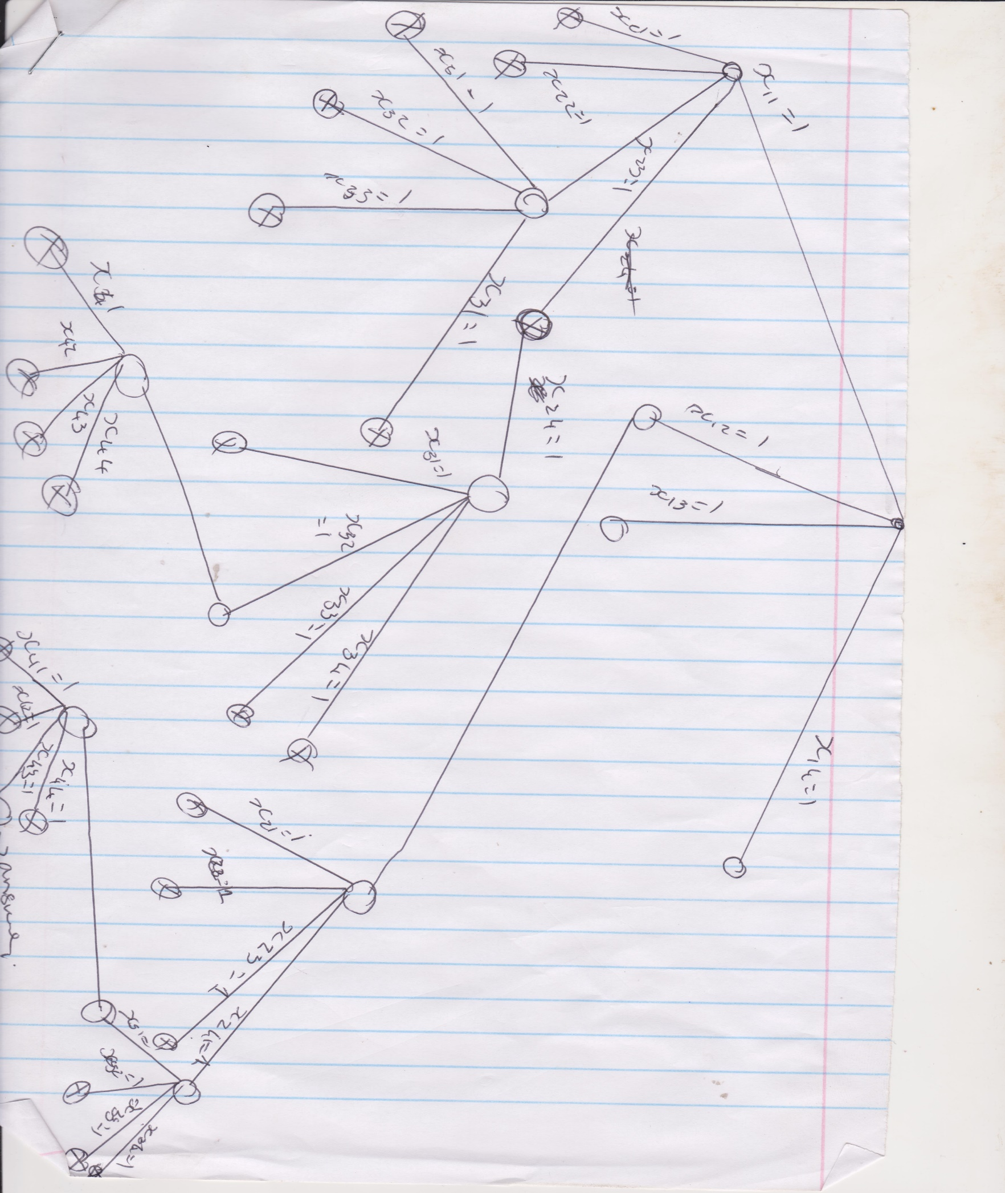
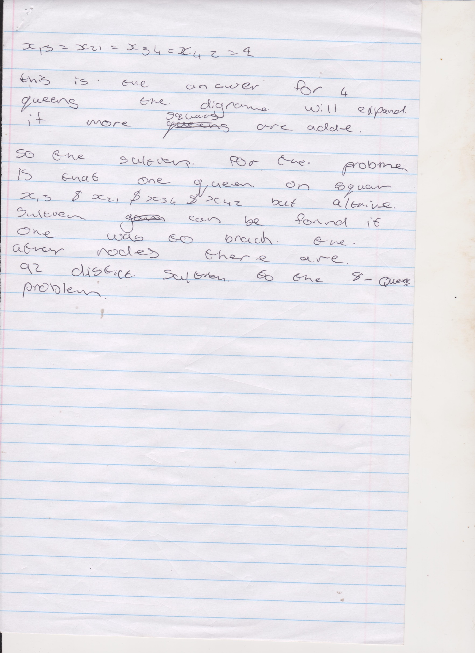
Michiel van der merwe
Question 2
Group mebers Nick and marus
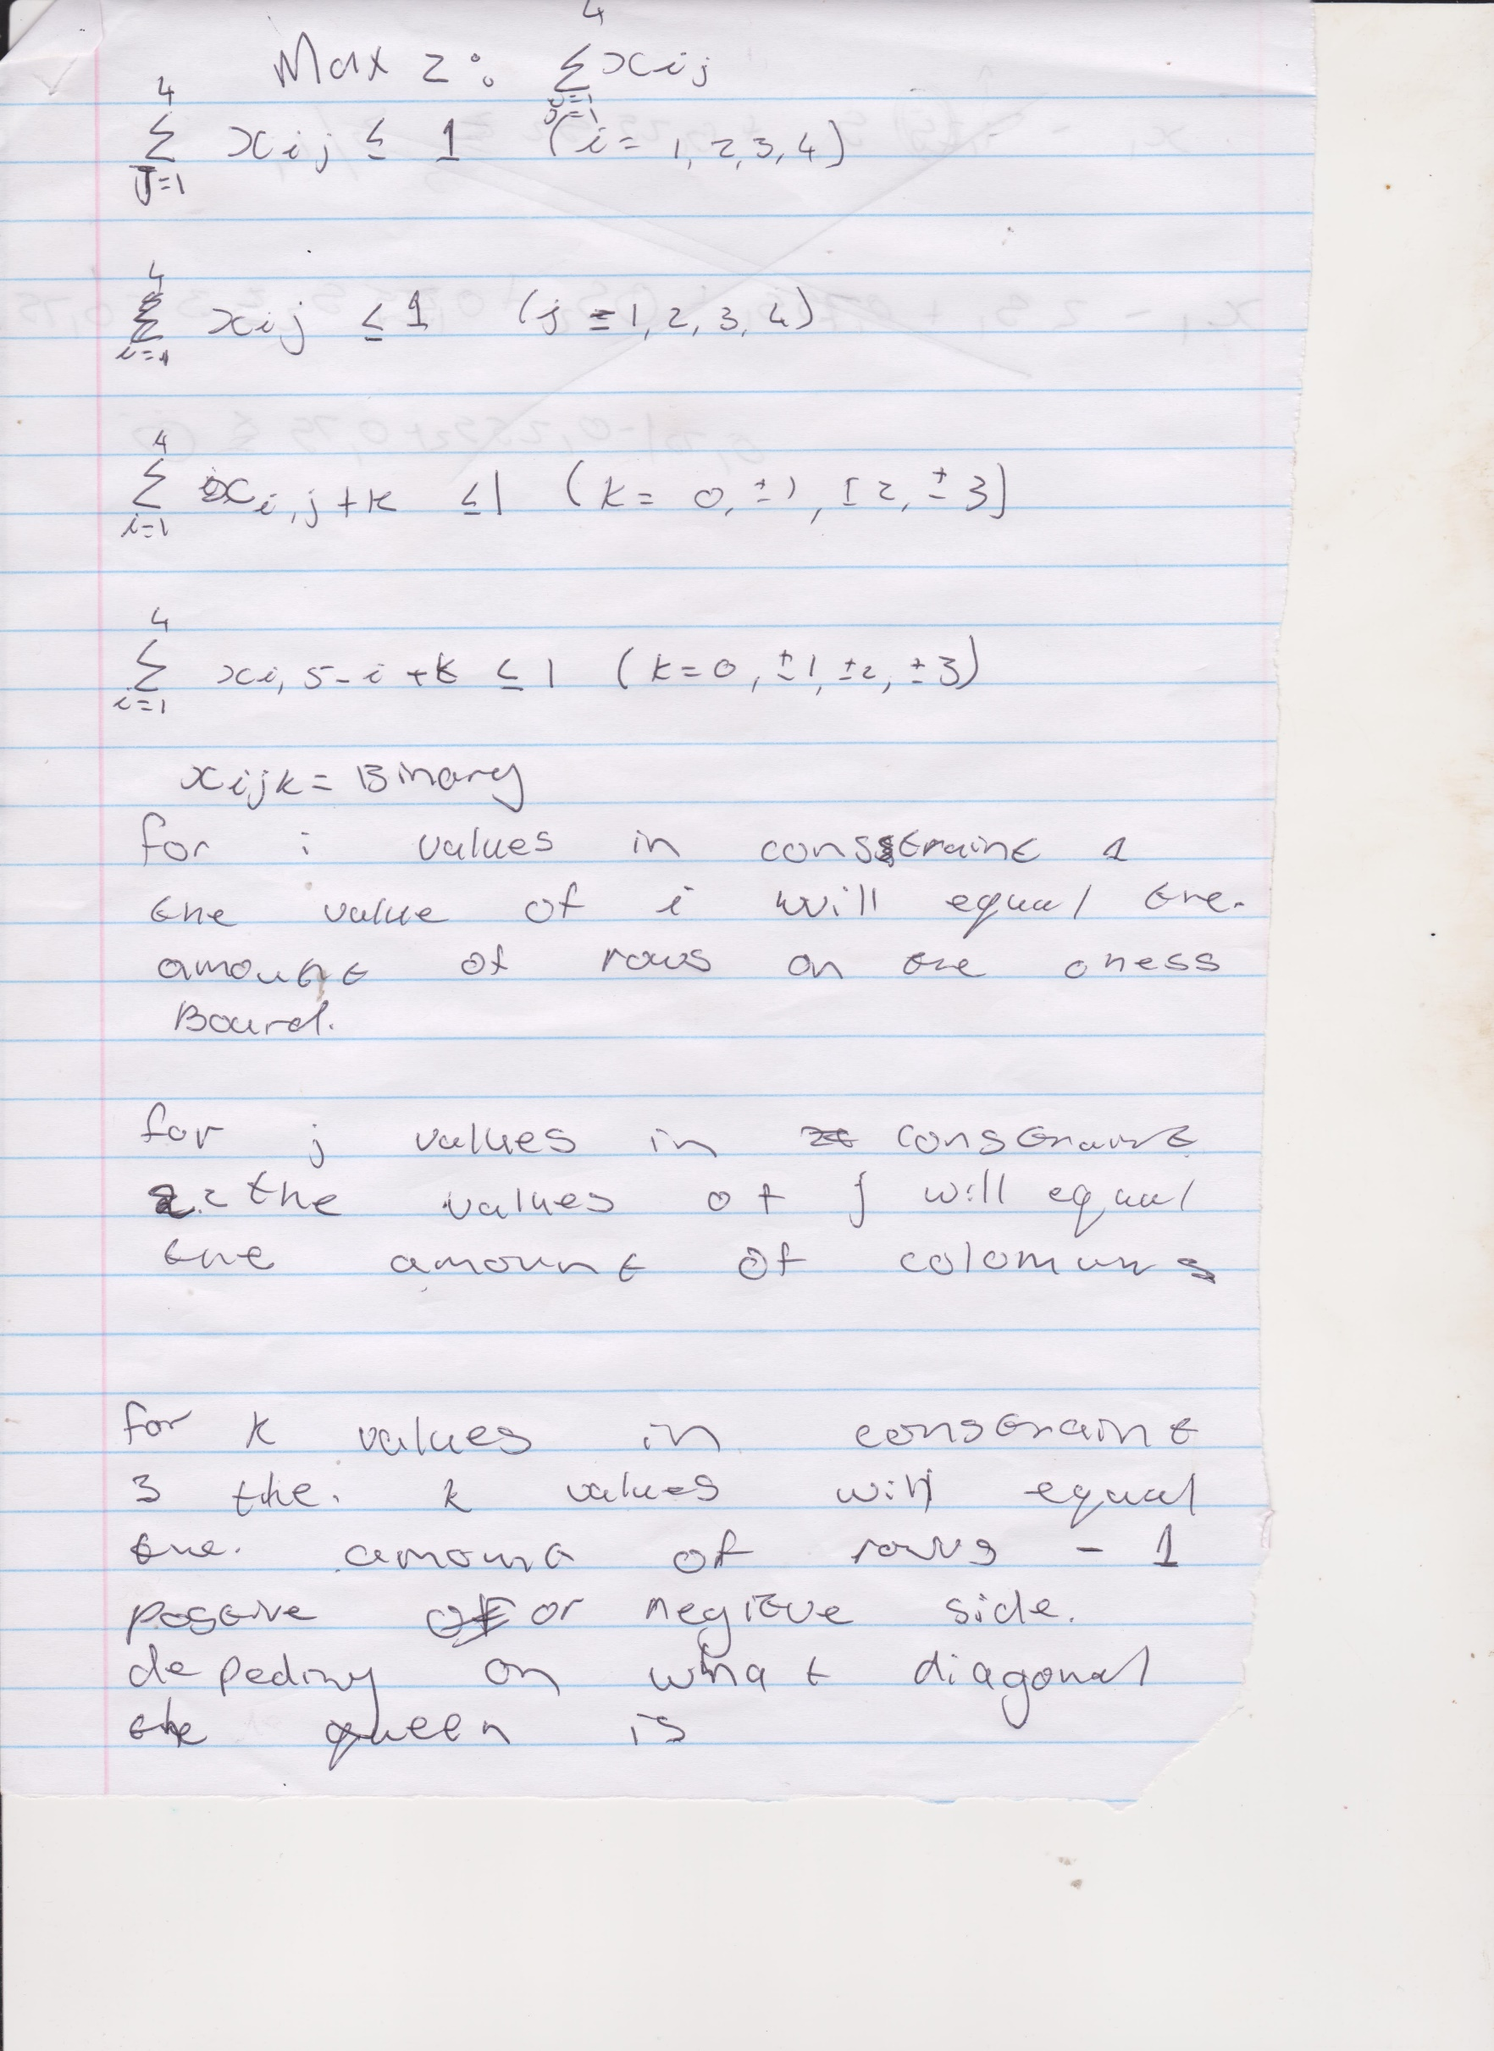

 | Nick had to do number 1
 | marus had to do number 3

